Summary and Charts
Statistics | Charts | Trades | Formula | Settings | Symbols | Monte Carlo |  |  |  | 1. Portfolio Equity

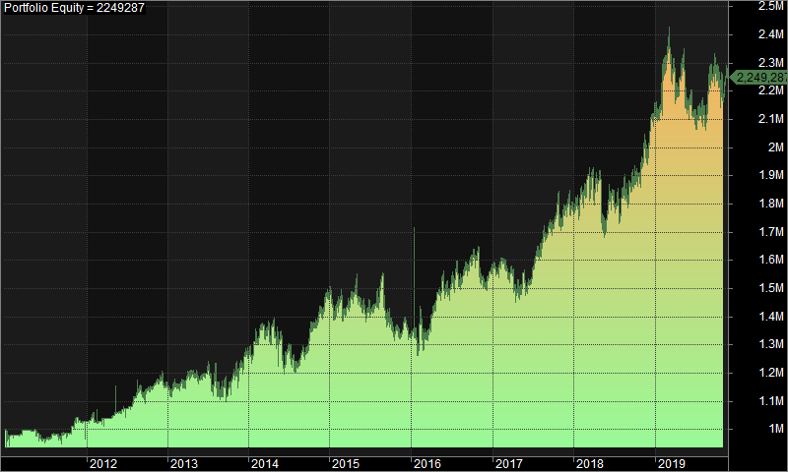
Statistics
 | All trades | Long trades | Short trades
Initial capital | 1000000 | 1000000 | 1000000
Ending capital | 2249287.15 | 1000000 | 2249287.15
Net Profit | 1249287.15 | 0 | 1249287.15
Net Profit % | 124.93% | 0.00% | 124.93%
Exposure % | 3.27% | 0.00% | 3.27%
Net Risk Adjusted Return % | 3817.30% | N/A | 3817.30%
Annual Return % | 9.53% | 0.00% | 9.53%
Risk Adjusted Return % | 291.14% | N/A | 291.14%
Total transaction costs | 1145931.19 | 0 | 1145931.19

All trades | 1198 | 0 (0.00 %) | 1198 (100.00 %)
Avg. Profit/Loss | 1042.81 | N/A | 1042.81
Avg. Profit/Loss % | 4.82% | N/A | 4.82%
Avg. Bars Held | 115.43 | N/A | 115.43

Winners | 556 (46.41 %) | 0 (0.00 %) | 556 (46.41 %)
Total Profit | 9160504.64 | 0 | 9160504.64
Avg. Profit | 16475.73 | N/A | 16475.73
Avg. Profit % | 40.15% | N/A | 40.15%
Avg. Bars Held | 175.78 | N/A | 175.78
Max. Consecutive | 9 | 0 | 9
Largest win | 94914.06 | 0 | 94914.06
# bars in largest win | 267 | 0 | 267 | 2. Underwater Equity

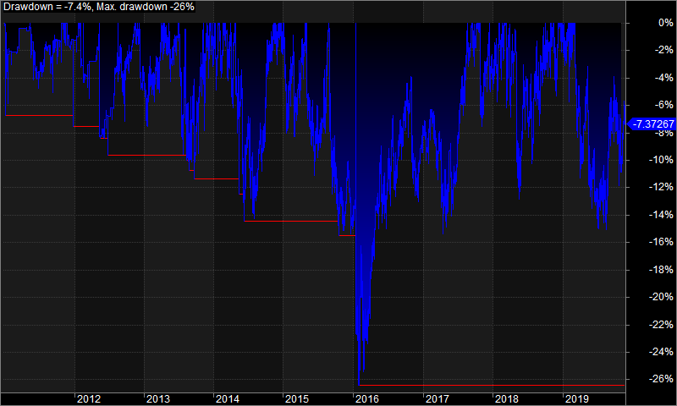
Losers | 642 (53.59 %) | 0 (0.00 %) | 642 (53.59 %)
Total Loss | -7911217.48 | 0 | -7911217.48
Avg. Loss | -12322.77 | N/A | -12322.77
Avg. Loss % | -25.77% | N/A | -25.77%
Avg. Bars Held | 63.16 | N/A | 63.16
Max. Consecutive | 11 | 0 | 11
Largest loss | -91388.33 | 0 | -91388.33
# bars in largest loss | 61 | 0 | 61

Max. trade drawdown | -374077.46 | 0 | -374077.46
Max. trade % drawdown | -98.67 | 0 | -98.67
Max. system drawdown | -453349.32 | 0 | -453349.32
Max. system % drawdown | -26.43% | 0.00% | -26.43%
Recovery Factor | 2.76 | N/A | 2.76
CAR/MaxDD | 0.36 | N/A | 0.36
RAR/MaxDD | 11.01 | N/A | 11.01
Profit Factor | 1.16 | N/A | 1.16
Payoff Ratio | 1.34 | N/A | 1.34
Standard Error | 109557.06 | 0 | 109557.06
Risk-Reward Ratio | 1.25 | N/A | 1.25
Ulcer Index | 7.45 | 0 | 7.45
Ulcer Performance Index | 0.55 | N/A | 0.55
Sharpe Ratio of trades | 1.44 | 0 | 1.44
K-Ratio | 0.01 | N/A | 0.01
 |  |  |  | 3. Profit Table

 |  |  |  | Year | Jan | Feb | Mar | Apr | May | Jun | Jul | Aug | Sep | Oct | Nov | Dec | Yr%
 |  |  |  | 2011 | -2.10% | 0.00% | 1.80% | -0.20% | -1.80% | -1.20% | 1.90% | -0.80% | 1.30% | 2.30% | 2.30% | -0.40% | 3.00%
 |  |  |  | 2012 | 2.10% | -2.10% | 1.10% | 0.20% | 2.10% | 1.00% | 3.40% | 2.70% | -0.10% | 1.10% | 2.60% | -2.40% | 12.20%
 |  |  |  | 2013 | 1.10% | -0.20% | 2.00% | 0.30% | -0.30% | 1.60% | 0.20% | -5.80% | 0.00% | 3.60% | 4.50% | 1.40% | 8.40%
 |  |  |  | 2014 | 4.40% | 4.80% | 0.30% | -2.90% | 0.00% | -3.10% | -4.00% | 2.30% | 5.20% | 2.20% | 4.40% | 2.50% | 16.90%
 |  |  |  | 2015 | -2.40% | 1.30% | -0.10% | 2.70% | -3.70% | 0.60% | 2.00% | -0.70% | -5.10% | -1.70% | -0.50% | -1.30% | -8.80%
 |  |  |  | 2016 | -1.40% | -0.90% | 5.00% | 5.40% | 5.20% | -1.10% | 6.00% | -1.40% | 1.60% | 0.90% | -4.90% | 2.20% | 17.30%
 |  |  |  | 2017 | -0.30% | 1.20% | -1.40% | -2.10% | -1.90% | 3.30% | 5.00% | 3.20% | 2.00% | 1.80% | 2.40% | 0.50% | 14.40%
 |  |  |  | 2018 | 2.30% | 2.50% | 2.30% | -0.30% | -8.60% | 5.20% | 0.20% | -1.00% | 4.20% | 2.00% | 0.40% | 9.10% | 18.80%
 |  |  |  | 2019 | 4.80% | 5.40% | -3.10% | 0.70% | -6.30% | -1.70% | 2.00% | 2.40% | 3.00% | -1.90% | 0.80% | N/A | 5.60%
 |  |  |  | Avg | 0.90% | 1.30% | 0.90% | 0.40% | -1.70% | 0.50% | 1.90% | 0.10% | 1.40% | 1.20% | 1.30% | 1.50%

